Psychological Strategies
If you have trouble with this page ensure that 'Enable Editing/Content' is clicked on the top bar.
If you are unsure of who to refer to tick 'EMPHN to select Provider'on the referral form.
Eastern Melbourne PHN Psychological Strategies Providers (Formerly known as ATAPS)

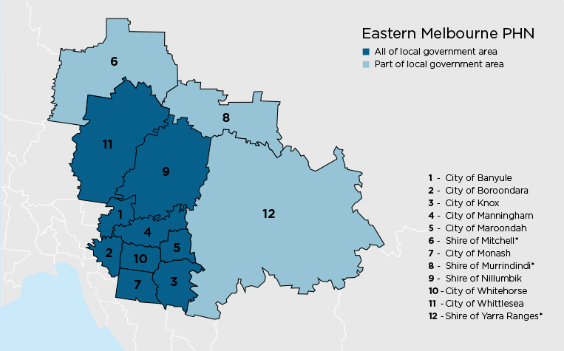
Program streams

Aboriginal and Torres Strait Islander

General/Adult

Bushfire and Posttraumatic Stress Service

Child Mental Health

Perinatal Depression

Suicide Prevention

General/Youth

Intake Fax Number (03) 8677 9510

Updated 05/09/2017

